vav
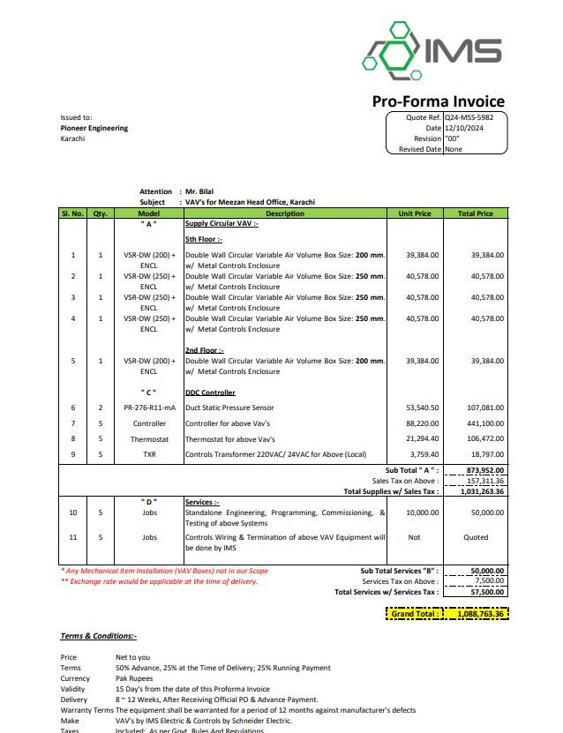
Dated: | 11-Dec-24
Project: | Meezan Head Office Extension Block III karachi.
Rate Analysis Of VAV for 5th & 2nd floor Rooms
S. # | Description | Unit | Quantity |  |  | Rate | Amount | Gross
 |  |  | Actual | Waste | Total
A MATERIAL.
1 | Supply of VAV Boxes with pressure sensor, controller thermostat, control transformer and services. (5th and 2nd floor Rooms) | Job | 1.00 |  | 1.00 | 1,088,763 | 1,088,763
2 | supply of Powe wiring from VAV Bos to DB panel in AHU room. | Rft | 1,000 |  | 1,000 | 150 | 150,000
3 | Supply of PVC Conduit dia 1'' and related fitting for power wiring. | Rft | 1,000 |  | 1,000 | 50 | 50,000
4 | Supply of pre-insulated ductwork of polyurethane foam panel with 52kg/m3 density,20mm thickness coated on both side with 80 micron thick aluminum foil complete hardware glue hot dipped galvanized hanger and support. | sqft | 450 |  | 450 | 700 | 315,000
 | Total. |  |  |  |  |  | 1,603,763 | 1,603,763
B . | LABOUR
S. # | Description | Unit | Quantity |  |  | Rate | Amount | Gross
 |  |  | Actual | Waste | Total
1 | Installation of VAV Boxes with pressure sensor, controller thermostat, control transformer and services.5th and 2nd floor Rooms. | nos | 5 |  | 5 | 10,000 | 50,000
 | Installation of Powe wiring 2.5 mm from VAV Bos to DB panel in AHU room. | Rft | 1,000 |  | 1,000 | 50 | 50,000
 | Installtion of PVC Conduit dia 1'' and related fitting for power wiring. | Rft | 1,000 |  | 1,000 | 20 | 20,000
 | Installation of pre-insulated ductwork of polyurethane foam panel with 52kg/m3 density,20mm thickness coated on both side with 80 micron thick aluminum foil complete hardware glue hot dipped galvanized hanger and support. | Sqft | 450 |  | 450 | 100 | 45,000
 | Total. |  |  |  |  |  | 165,000 | 1,768,763
C OTHER
S. # | Description | Unit | Quantity |  |  | Rate | Amount | Gross
 |  |  | Actual | Waste | Total
 | Total. |  |  |  |  |  | - | 1,768,763
 | cartage | Nos | 1.00 |  | 1.00 | 10,000.00 | 10,000.00 | 1,778,763
 | Total Rs. |  |  |  |  |  |  | 1,778,763
OverHead & Profit |  |  | 25% |  |  |  |  | 444,691
Total Price |  |  |  |  |  |  |  | 2,223,454

